0.5 Mile from I-5
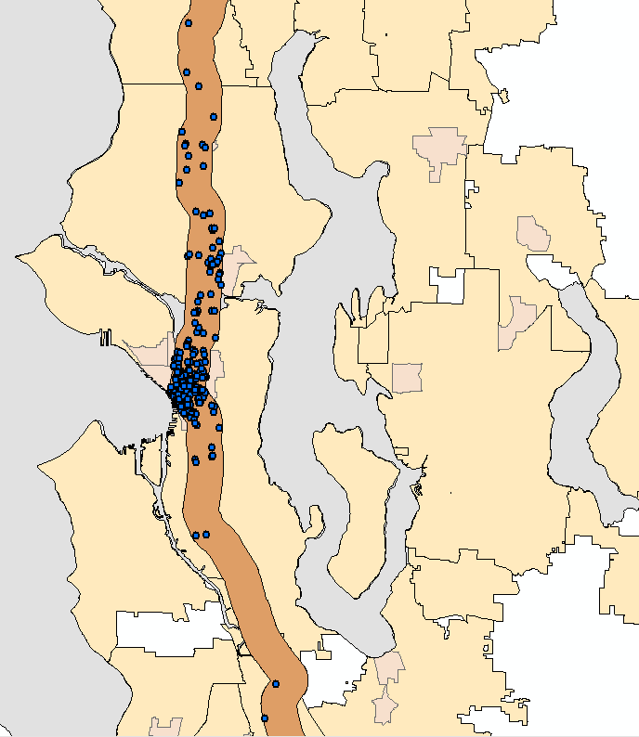
Sampled Work Locations within 1/2 mile of I-5

 |  | Samples
 | City of Seattle | 1441
RGC | Seattle Downtown | 784
 | First Hill/Captiol Hill | 190
 | SLU | 166
 | Northgate | 34
 | U-District | 84

 | Sampled persons who live AND work within 1/2 mile of I-5
 | Region | 387
 | Work in Seattle | 335
 | Work in Seattle CBD | 214

 | 185 samples live and work downtown
 | 29 samples live downtown but work somewhere else within 1/2 mile of I-5

 |  | Work Locations of Workers that Live and Work within 1/2 Mile of I-5

